Table 26
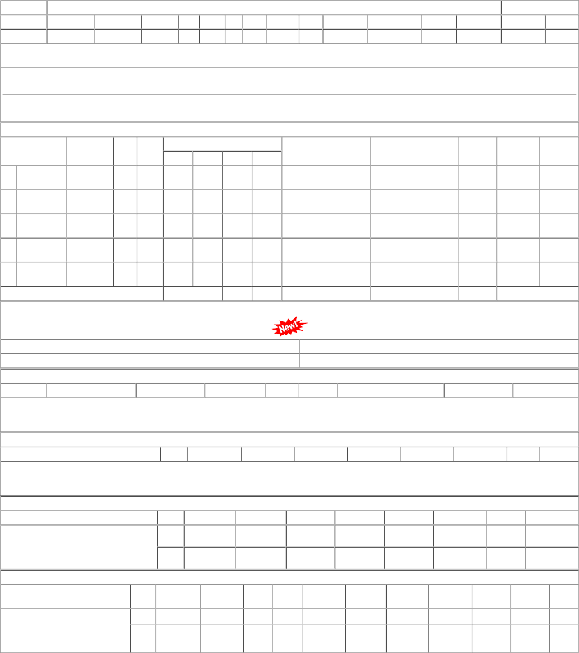
1 of 1 02-01-2023, 12:19

